Project 1 TimelineWork Distribu
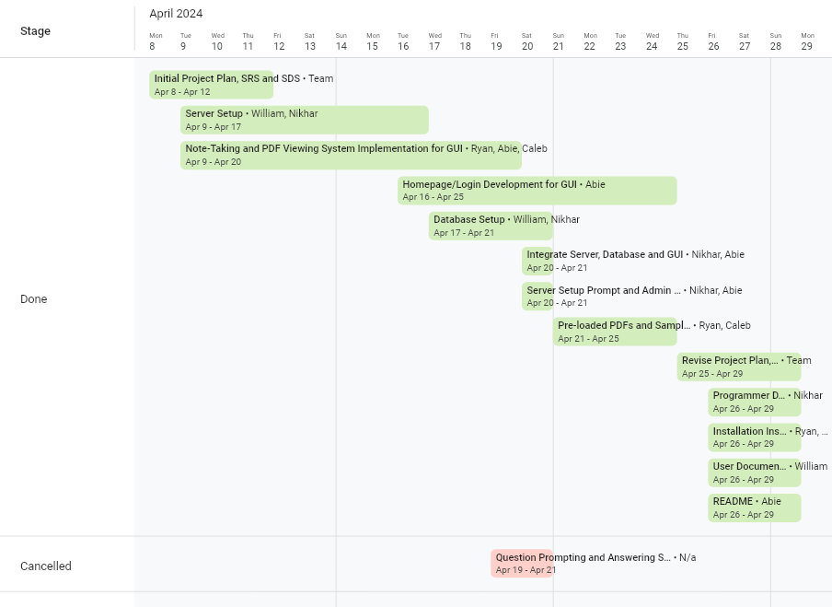
Milestone | Start Date | End Date | Completed By/Assigned To | Stage
Initial Project Plan, SRS and SDS | 2024-04-08 | 2024-04-12 | Team | Done
Server Setup | 2024-04-09 | 2024-04-17 | William, Nikhar | Done
Note-Taking and PDF Viewing System Implementation for GUI | 2024-04-09 | 2024-04-20 | Ryan, Abie, Caleb | Done
Homepage/Login Development for GUI | 2024-04-16 | 2024-04-25 | Abie | Done
Database Setup | 2024-04-17 | 2024-04-21 | William, Nikhar | Done
Question Prompting and Answering System | 2024-04-19 | 2024-04-21 | N/a | Cancelled
Integrate Server, Database and GUI | 2024-04-20 | 2024-04-21 | Nikhar, Abie | Done
Server Setup Prompt and Admin Account | 2024-04-20 | 2024-04-21 | Nikhar, Abie | Done
Pre-loaded PDFs and Sample Data | 2024-04-21 | 2024-04-25 | Ryan, Caleb | Done
Revise Project Plan, SRS and SDS | 2024-04-25 | 2024-04-29 | Team | Done
Programmer Documentation | 2024-04-26 | 2024-04-29 | Nikhar | Done
Installation Instructions | 2024-04-26 | 2024-04-29 | Ryan, Caleb | Done
User Documentation | 2024-04-26 | 2024-04-29 | William | Done
README | 2024-04-26 | 2024-04-29 | Abie | Done
Prepare Project Presentation | 2024-04-28 | 2024-04-30 | Team | Not Started

